The Covernator
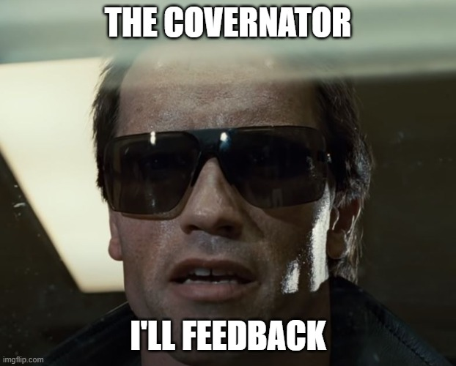
Total number of CASES | 66
Cases not covered in a scenario | 2

Total number of SCENARIOS | 28
Data products | 8
Energy calculations | 13
Wholesale calculations | 7

Total number of RESULTS | 59
 | 0
 | 0
 | 0
 | 0
 | 0
Results without coverage | 4

